Product Deployment Summary
Deployment Summary

 | NETWORK NODE MANAGER | Production |  | Non-Production
 | Number of servers | 2
 |  | Total nodes consumed | Total nodes license installed | Total nodes consumed | Total nodes license installed
 | Nodes - [Ultimate] Edition | 1570 | 2751
 | Nodes - [Premium] Edition | 50098 | 50950
 | Smart Plug-in: [NNM Ultimate] | Enabled | All required
 | Smart Plug-in: [NNM Premium] | Enabled | All required

 | Deployed Version |  | Applicable ALA #

Deployment - Data Analysis & Calculations
NNM 1
 | Server/Machine Name | NnmItNnmi
 | Software Version Installed | 10.10.543
 | Operating System | Linux - Red Hat Enterprise 6.7 (x64)
 | Environment Type | Production

 |  | Total nodes consumed | Total nodes license installed
 | Nodes - [Ultimate] Edition | 677 | 1250
 | Smart Plug-in: [NNM Ultimate] | Enabled | All required
 | Smart Plug-in: [NNM Premium] | Enabled | All required

NNM 2 - GNM |  |  |  | Customer declaration: "GNM with two regional servers; distribute perfSPI with two ETL servers; master and leaf collector for Traffic" , Later on customer declared the following: "The situation now is changed. We have 3 regional servers. Instead two before."
 | Server/Machine Name | nnm-global;
 | Software Version Installed | NNM 2019.05; NNM Patch: NNM201905_00002
 | Operating System | RedHat 7Red Hat Enterprise Linux Server 7.7 (Maipo)
 | Environment Type | Production

 |  | Total nodes consumed | Total nodes license installed
 | Nodes - [Ultimate] Edition | 0 | 1
 | Smart Plug-in: [Premium] | Enabled | All required
 | Smart Plug-in: [Ultimate] | Enabled | All required

NNM 2 - RNM1
 | Server/Machine Name | nnm-global;
 | Software Version Installed | NNM 2019.05; NNM Patch: NNM201905_00002
 | Operating System | RedHat 7Red Hat Enterprise Linux Server 7.7 (Maipo)
 | Environment Type | Production

 |  | Total nodes consumed | Total nodes license installed
 | Nodes - [Instant-On] Edition |  | 250 | NOTE: Expired on 15.02.2020
 | Nodes - [Premium] Edition | 26034 | 26550

NNM 2 - RNM2
 | Server/Machine Name | nnm-global;
 | Software Version Installed | NNM 2019.05; NNM Patch: NNM201905_00002
 | Operating System | RedHat 7Red Hat Enterprise Linux Server 7.7 (Maipo)
 | Environment Type | Production

 |  | Total nodes consumed | Total nodes license installed
 | Nodes - [Instant-On] Edition |  | 250 | NOTE: Expired on 23.02.2020
 | Nodes - [Premium] Edition | 24064 | 24400

NNM 2 - RNM3
 | Server/Machine Name | nnm-global;
 | Software Version Installed | NNM 2019.05; NNM Patch: NNM201905_00002
 | Operating System | RedHat 7Red Hat Enterprise Linux Server 7.7 (Maipo)
 | Environment Type | Production

 |  | Total nodes consumed | Total nodes license installed
 | Nodes - [Ultimate] Edition | 893 | 1500
 | Smart Plug-in: [Premium] | Enabled | All required
 | Smart Plug-in: [Ultimate] | Enabled | All required

Deployment - Raw Data & Screenshots

NNM 1
 | Licensing Information Screenshot
 | 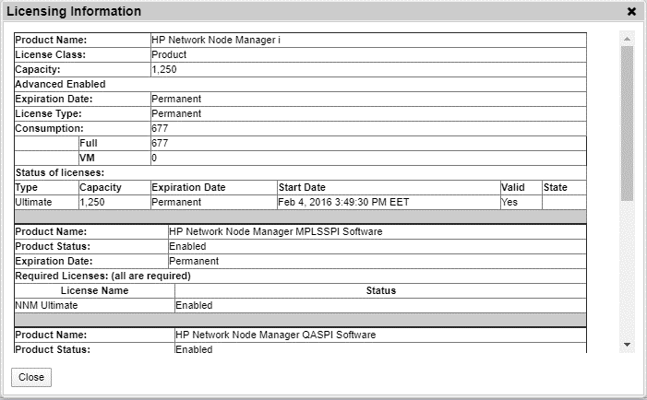 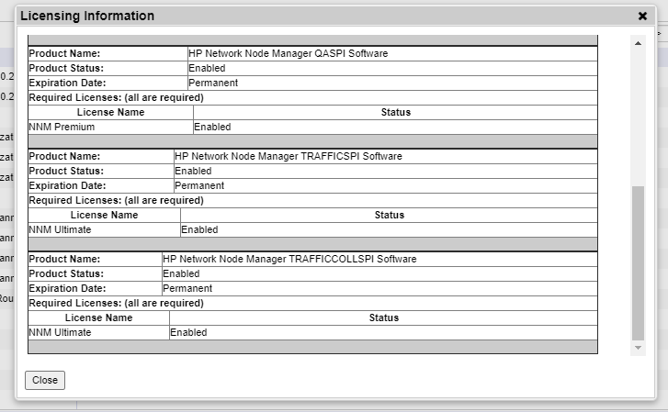

 | Node Report

 | Node Name | Environment Type | Description
 | **** | Production | Wireless Access Point
 | *t-s*200-2 | Production | Switch
 | *t-s****-* | Production | Switch
 | *t-s****-**6 | Production | Switch
 | *t-s***2-2* | Production | Switch
 | *t-s***2-22 | Production | Switch
 | *t-s***2-2* | Production | Switch
 | *t-p*p***-s*80-2 | Production | Switch
 | *t-**s**2-* | Production | Switch
 | *r-s***2-*0 | Production | Switch
 | *r-s***2-*0 | Production | Switch
 | *r-s***2-** | Production | Switch
 | *r-s***2-*6 | Production | Switch
 | *r-s***2-** | Production | Switch
 | *r-s***2-** | Production | Switch
 | *r-*r******-s**6-*00 | Production | Switch
 | *r-m*z**-s**0-*00 | Production | Switch
 | *r-m*z*r*-s*2*-*00 | Production | Switch
 | *r-**z*****-s**2-*0* | Production | Switch
 | *r-*n***-s*6*-2 | Production | Switch
 | *r-*s**t*n*-s**6-2 | Production | Switch
 | ******m-s*-0-** | Production | Router
 | **n-s*8-* | Production | Switch
 | **n-*****r-s**6-2 | Production | Switch
 | tr*-**8-* | Production | Switch
 | tr*-**8-* | Production | Switch
 | sz-t*p*****r**-s*6*-2 | Production | Switch
 | sz-s****-* | Production | Switch
 | sz-s****-* | Production | Switch
 | sz-s****-* | Production | Switch
 | sz-s****-2** | Production | Switch
 | sz-s****-2** | Production | Switch
 | sz-s****-2*2 | Production | Switch
 | sz-s****-2** | Production | Switch
 | sz-s****-*** | Production | Switch
 | sz-r**n***-s**0-2 | Production | Switch
 | sz-**s**2-* | Production | Switch
 | sz-**2*0-* | Production | Switch-Router
 | sz-********-s*2*-2 | Production | Switch
 | stts-**6*-*0 | Production | Firewall
 | stts-*t***-s**6-** | Production | Switch
 | stts-*t***-s**6-*6 | Production | Switch
 | stts-*t***-s**6-** | Production | Switch
 | stts-*t***-s**6-** | Production | Switch
 | stts-*t***-s**6-** | Production | Switch
 | stts-*t***-s**6-*2 | Production | Switch
 | stts-*t***-s**6-** | Production | Switch
 | stts-*t***-s**6-*0 | Production | Switch
 | stts-*t***-s***6-2 | Production | Switch
 | stts-*t**6-***2*-2 | Production | Switch
 | stts-*t***-s*88-* | Production | Switch
 | stts-*t*2*-s**6-* | Production | Switch
 | stts-*t*2*-s**6-* | Production | Switch
 | sr*2000* | Production | Wireless Access Point
 | s*-z**t***-s**8*-2 | Production | Switch
 | s*-s***n***-s***6-2 | Production | Switch
 | s*-s*m****-s**28-2 | Production | Switch
 | s*-**st*n*r**-s*80-2 | Production | Switch
 | s*-***np***n-s***2-2 | Production | Switch
 | s*-**t***r**-s**6-2 | Production | Switch
 | sm*-s**-2 | Production | Switch
 | sm*-s*8-6 | Production | Switch
 | sm*-s*8-* | Production | Switch
 | sm*-s*8-* | Production | Switch
 | sm*-****n-**2*-2 | Production | Switch
 | sm*-***p***r*-s**2-2 | Production | Switch
 | s**-s*8-8 | Production | Switch
 | s**-s*8-* | Production | Switch
 | s**-nz***r*-s**6-2 | Production | Switch
 | s**-**t**-s*2*-2 | Production | Switch
 | s**-**8-* | Production | Wireless Access Point
 | s**-**8-*0* | Production | Router
 | s*s-t*tr***n-s**6-2 | Production | Switch
 | s*s-******-s*2*-2 | Production | Switch
 | s*p-**r*-s*0-2* | Production | Switch
 | s*p-**r*-**s-0-*2 | Production | Switch-Router
 | s*p-**r*-**s-0-** | Production | Switch-Router
 | s*-**p*-s**8-2 | Production | Switch
 | s*-t*t***r-**s8-* | Production | Switch
 | s*-r****-s**0-*0 | Production | Switch
 | s*-*****m*st-s*206-2 | Production | Switch
 | s*-****n**-s*20*-* | Production | Switch
 | s*-****n**-s*20*-* | Production | Switch
 | s*-****n**-s*20*-2 | Production | Switch
 | s*-*q-s*0-8 | Production | Switch-Router
 | s*-*q-s*0-* | Production | Switch-Router
 | s*-*q-s*0-6 | Production | Switch
 | s*-*q-s*0-* | Production | Switch
 | s*-*q-s*0-* | Production | Switch
 | s*-*q-s*0-* | Production | Switch
 | s*-*q-s*0-** | Production | Switch
 | s*-*q-s*0-*6 | Production | Switch
 | s*-*q-s*0-*0 | Production | Switch
 | s*-*q-**-*ss-* | Production | Switch-Router
 | s*-*q-****0-*** | Production | Router
 | s*-*q-****0-*** | Production | Router
 | s*-*p**-s*2*-*2 | Production | Switch
 | s*-*p**-s*2*-2* | Production | Switch
 | s*-*p**-s*2*-2* | Production | Switch
 | s*-*p**-s*2*-2* | Production | Switch
 | s*-*p**-s*2*-*2 | Production | Switch
 | s*-*p**-s*2*-** | Production | Switch
 | s*-**-***-*-*6 | Production | Load Balancer
 | s*-**-***-*-** | Production | Load Balancer
 | s*-*mz-*pn*-2* | Production | Firewall
 | s*-*mz-*pn*-2* | Production | Firewall
 | s*-*mz-s*0-** | Production | Switch
 | s*-*mz-s*0-*0 | Production | Switch
 | s*-*mz-**s0-*2 | Production | Switch-Router
 | s*-*mz-**s0-** | Production | Switch-Router
 | s*-**r*-**s-0-*2 | Production | Switch-Router
 | s*-**r*-**s-0-** | Production | Switch-Router
 | s*-***-s**-*8 | Production | Switch
 | s*-***-s**-** | Production | Switch
 | s*-***-s**-*2 | Production | Switch-Router
 | s*-***-s**-** | Production | Switch-Router
 | s*-***-s**-*0 | Production | Switch
 | s*-***-s**-28 | Production | Switch
 | s*-***-s**-2* | Production | Switch
 | s*-***-s**-26 | Production | Switch
 | s*-***-s**-2*0 | Production | Switch
 | s*-***-s**-2* | Production | Switch
 | s*-***-s**-2** | Production | Switch
 | s*-***-s**-2*2 | Production | Switch
 | s*-***-s**-2** | Production | Switch
 | s*-***-s**-2*0 | Production | Switch
 | s*-***-s**-2** | Production | Switch
 | s*-***-s**-2* | Production | Switch-Router
 | s*-***-s**-** | Production | Router
 | s*-***-s**-** | Production | Switch
 | s*-***-s**-*2 | Production | Switch
 | s*-***-s**-*2 | Production | Switch
 | s*-***-s*-*-*0 | Production | Switch
 | s*-***-**s0-22 | Production | Switch
 | s*-***-**s0-2* | Production | Switch
 | s*-***-*ps**2*0-*0 | Production | Router
 | s*-*****n-s***-* | Production | Switch
 | s*-*t**8-s***2-2 | Production | Switch
 | s*-*t**6-s**0-2 | Production | Switch
 | s*-*t***-s**0*-2 | Production | Switch
 | s*-*t***-s**6-* | Production | Switch
 | s*-*t***-**s*6-* | Production | Switch
 | rz*-s*8-* | Production | Switch
 | rz*-***r*t-s**2-2 | Production | Switch
 | rz*-**8-* | Production | Switch
 | rs-s***2-** | Production | Switch
 | rs-s***2-*2 | Production | Switch
 | rs-s***2-** | Production | Switch
 | rs-*****-s*2*-2 | Production | Switch
 | r*z*r**nt | Production | Switch
 | pzr-****n*r**-s*2*-2 | Production | Switch
 | pzr-s*8-* | Production | Switch
 | pzr-s*8-6 | Production | Switch
 | pzr-s*8-*2 | Production | Switch
 | pzr-s*8-*0 | Production | Switch
 | pzr-s*pt*m*r*-s**0-2 | Production | Switch
 | pzr-p*s*t*r*-s**2-2 | Production | Switch
 | pzr-p*n****r*s*t*-s**6-2 | Production | Switch
 | pn*-s*8-2 | Production | Switch
 | p*-s***2-* | Production | Switch
 | p*-s***2-*6 | Production | Switch
 | p*-s***2-** | Production | Switch
 | p*-s***2-** | Production | Switch
 | p*-s***2-*0 | Production | Router
 | p*-n**-s*200-8 | Production | Switch
 | p*-n**-s*200-* | Production | Switch
 | p*-n**-s*200-6 | Production | Switch
 | p*-n**-s*200-* | Production | Switch
 | p*-n**-s*200-* | Production | Switch
 | p*-n**-s*200-* | Production | Switch
 | p*-n**-s*200-*0 | Production | Switch
 | p*-****2-*2 | Production | Switch
 | p*-***r***-s**8-2 | Production | Switch
 | p*-s****-*** | Production | Switch
 | p*-s***2-28 | Production | Switch
 | p*-s***2-22 | Production | Switch
 | p*-s***2-** | Production | Switch
 | p*-st*m*****s**-s**2-2 | Production | Switch
 | p*-**r****-s**6-* | Production | Switch
 | p*-*t**-s***6-2 | Production | Switch
 | p*-*s*n***r**-s**8-* | Production | Switch
 | p*z*r****nt | Production | Switch
 | ntp****n | Production | Switch
 | n*p2 | Production | Printer
 | mnt-s*8-* | Production | Switch
 | mnt-**m-s**0-2 | Production | Switch
 | mnt-**r******-s*2*-2 | Production | Switch
 | ***-tr***n-s**6-2 | Production | Switch
 | ***-t*t***n-s**0-2 | Production | Switch
 | *zn-**s8-* | Production | Router
 | *sp-*mz-*pn*-2* | Production | Firewall
 | *sp-*mz-*pn*-2* | Production | Firewall
 | *sp-*mz-s*-0-** | Production | Switch
 | *sp-*mz-**s-0-*2 | Production | Switch-Router
 | *sp-*mz-**s-0-** | Production | Switch-Router
 | *sp-**r*-**s-0-*2 | Production | Switch-Router
 | *sp-**r*-**s-0-** | Production | Switch-Router
 | *sp-***-s*-*-** | Production | Switch-Router
 | *sp-***-s*-*-** | Production | Switch-Router
 | *sp-***-s*-*-*2 | Production | Switch-Router
 | *sp-***-s*-*-** | Production | Switch-Router
 | *sp-***-s*-*-*0 | Production | Switch
 | *sp-***-s*-*-** | Production | Switch
 | *sp-***-s*-*-*8 | Production | Switch
 | *sp-***-s*-*-** | Production | Switch
 | *sp-***-s*-*-2*8 | Production | Switch
 | *sp-***-s*-*-2** | Production | Switch
 | *sp-***-s*-*-2** | Production | Switch
 | *sp-***-s*-*-2** | Production | Switch
 | *sp-***-**s-0-22 | Production | Switch
 | *sp-***-**s-0-2* | Production | Switch
 | *sp-***-*r***-*00 | Production | Router
 | *r*-s*8-* | Production | Switch
 | **m-******-**2*-2 | Production | Switch
 | **** | Production | Switch
 | **-s****-*0 | Production | Switch
 | **-s****-26 | Production | Switch
 | **-s****-2* | Production | Switch
 | **-s****-22 | Production | Switch
 | **-s****-** | Production | Switch
 | **-s****n*r**-s**0-2 | Production | Switch
 | **-**rm*n**-s**8-2 | Production | Switch
 | **-**m*tr***r**-s**6-* | Production | Switch
 | **r-tr***n*-s**6-2 | Production | Switch
 | **r-s*******-s**2-2 | Production | Switch
 | ***sr** | Production | Switch
 | **r-s**-2 | Production | Switch
 | **r-s**-* | Production | Switch
 | **ntr**-*t* | Production | Wireless Access Point
 | *s-s***8-**0 | Production | Switch
 | *s-s***2-* | Production | Switch
 | *s-**r***-s*80-* | Production | Switch
 | *s-**t*s-s**6-2 | Production | Switch
 | **-s****-2 | Production | Switch
 | **-s***2-** | Production | Switch
 | **-s***2-2* | Production | Switch
 | **-s*n**ns**-s*2*-2 | Production | Switch
 | **-r*z***-s**0-2 | Production | Switch
 | **-p*tr***-s**2-2 | Production | Switch
 | **-********-s**8-2 | Production | Switch
 | **-**ns**-s*6*-2 | Production | Switch
 | *n-s***2-8 | Production | Switch
 | *n-s***2-* | Production | Switch
 | *n-s***2-* | Production | Switch
 | *n-s***2-* | Production | Switch
 | *n-s***2-2 | Production | Switch
 | *n-s***2-*0 | Production | Switch
 | *n-s**8*-6 | Production | Switch
 | *n-S**m*n-s*80-2 | Production | Switch
 | *n-***n**-s**8*-* | Production | Switch
 | ******m-s*-0-* | Production | Switch
 | ******m-s*-0-*0 | Production | Switch
 | ******m-s*-0-28 | Production | Switch
 | ******m-s*-0-2* | Production | Router
 | ******m-s*-0-2* | Production | Switch
 | ******m-s*-0-22 | Production | Switch
 | ******m-*r-*P2 | Production | Wireless Access Point
 | ******m-**rn*-*P* | Production | Wireless Access Point
 | ******m-**rn*-*P2 | Production | Wireless Access Point
 | ******m-S***str*-*P* | Production | Wireless Access Point
 | ******m-S*-*P* | Production | Wireless Access Point
 | ******m-P*-*P* | Production | Wireless Access Point
 | ******m-******-*P* | Production | Wireless Access Point
 | ******m-****n**-*P** | Production | Wireless Access Point
 | ******m-**_***-*P2 | Production | Wireless Access Point
 | ******m-**-*P* | Production | Wireless Access Point
 | ******m-***r***-*P* | Production | Wireless Access Point
 | ******m-**-*P2 | Production | Wireless Access Point
 | ******m-*T***_**2-*P2 | Production | Wireless Access Point
 | ******m-*T***_**2-*P* | Production | Wireless Access Point
 | *T-Tr*-S**p-s*-**0* | Production | Switch
 | *T-S**s*t**-s**6-2 | Production | Switch
 | *T-S**p-s*-**02 | Production | Switch
 | *T-S**p-s*-**0* | Production | Switch
 | *T-P******n*-s**2-2 | Production | Switch
 | *T-**-s*8-* | Production | Switch
 | *T-**-s*8-8 | Production | Switch
 | *T-**-S**p-s*-**0* | Production | Switch
 | *T-**-s**8-2 | Production | Switch
 | *T-**-S**p-s*-**** | Production | Switch
 | ******M-**-*P* | Production | Wireless Access Point
 | Sm****n-Z**t**r**-s**6-* | Production | Switch
 | Sm****n-**rpS***s-s*6*-2 | Production | Switch
 | S****n-s*8-* | Production | Switch
 | S*-***-s*-*-** | Production | Switch
 | S*-***-***s*-********6-* | Production | Switch-Router
 | S*-***-S****ntr****rs | Production | Switch
 | S*-S****-s**8*-* | Production | Switch
 | S*-St**r_*nt*x**-s*6*-** | Production | Switch
 | S*-St**r*-*PT*-s*6*-** | Production | Switch
 | S*-S**p-s*-*2** | Production | Switch
 | S*-S**p-s*-**** | Production | Switch
 | S*-S**p-s*-**** | Production | Switch
 | S*-S**p-s*-**** | Production | Switch
 | S*-S**p-s*-**2* | Production | Switch
 | S*-S**p-s*-**0* | Production | Switch
 | S*-S*m****-rtr*2-2 | Production | Router
 | S*-STTS-S****0 | Production | Switch
 | S*-R****-S****0 | Production | Switch
 | S*-N**S-s*** | Production | Switch
 | S*-N**S-s**6-* | Production | Switch
 | S*-**t*m*n-s*6*-2 | Production | Switch
 | S*-*****nM*****-s***-* | Production | Other
 | S*-*****nM*****-s***-* | Production | Other
 | S*-**t***r**-s**6-* | Production | Switch
 | S*-*T***-s**6-*8 | Production | Switch
 | S*-*T***-S****0 | Production | Switch
 | S*-*T***-*SM*-S**-2 | Production | Switch
 | S*-*S*2-*SM | Production | Firewall
 | SZ-s****-*0 | Production | Switch
 | SZ-S**p-s*-**** | Production | Switch
 | SZ-****0-*6-2 | Production | Switch
 | SZ-*2*60-*6-* | Production | Switch
 | S*2*60-*s-**8-*** | Production | Switch
 | S*-S**m-80-* | Production | Switch
 | S*-SZ-***-** | Production | Switch
 | S*-P*-**2-** | Production | Switch
 | S*-*s-**2-** | Production | Switch
 | S*P-***-*-2*8 | Production | Router
 | S*-S**-**2*0-6* | Production | Firewall
 | S*-S**-**2*0-68 | Production | Firewall
 | S*-S**-NX*-0-*0 | Production | Switch-Router
 | S*-S**-NX*-0-** | Production | Switch-Router
 | S*-*XT-S****0-*-** | Production | Switch
 | S*-*XT-NX*-*-*6 | Production | Switch-Router
 | S*-*XT-NX*-*-** | Production | Switch-Router
 | S*-***-s****8-*-*8 | Production | Switch-Router
 | S*-***-s*-*-* | Production | Switch
 | S*-***-**2*0-6* | Production | Firewall
 | S*-***-**2*0-68 | Production | Firewall
 | S*-***-*SM-2-222 | Production | Switch
 | S*-***-*SM-2-220 | Production | Switch
 | S*-***-S**ps-*-22 | Production | Router
 | S*-***-S**ps-*-2* | Production | Router
 | S*-***-***-**msR**m-*-2** | Production | Router
 | S*-***-***-*-2** | Production | Router
 | S*-***-NX*-*-*0 | Production | Switch-Router
 | S*-***-NX*-*-** | Production | Switch-Router
 | S*-***-*P*-*-*** | Production | Switch
 | S*-***-**-*-8* | Production | Load Balancer
 | S*-***-**-*-80 | Production | Load Balancer
 | S*-*SR-*XT-*-20 | Production | Router
 | S*-*S*-*XT-*-*8 | Production | Firewall
 | S*-*S*-*XT-*-** | Production | Firewall
 | Rs-s***2-* | Production | Switch
 | Rs-s***2-*6 | Production | Switch
 | Rs-S**p-s*-***2 | Production | Switch
 | Rs-S**p-s*-**0* | Production | Switch
 | P*-s***2-*8 | Production | Switch
 | P*-s***2-2 | Production | Switch
 | P*-S**p-s*-*802 | Production | Switch
 | P*-******-s*8-* | Production | Switch
 | P*-******-s*8-* | Production | Switch
 | P*-******-S**p-s*-*80* | Production | Switch
 | P*2*60-8-*-*S | Production | Switch
 | P*-T***-8-* | Production | Switch
 | P*-s*2*-8 | Production | Switch
 | P*-s*2*-* | Production | Switch
 | P*-s*2*-2 | Production | Switch
 | P*-s****-6 | Production | Switch
 | P*-s****-* | Production | Switch
 | P*-s****-* | Production | Switch
 | P*-s****-2 | Production | Switch
 | P*-s****-* | Production | Switch
 | P*-2*60-**2-2* | Production | Switch
 | ****PN | Production | Firewall
 | ****PN | Production | Firewall
 | NZ***r*-s**6-* | Production | Switch
 | NS**-****-s*-2 | Production | Switch
 | NS**-****-s*-* | Production | Switch
 | M*nt*n*-*2*60-8-* | Production | Switch
 | M*nt*n*-*2*60-8-2 | Production | Switch
 | M*n-*2*60-8-* | Production | Switch
 | ***-*TRSS*-*2*60 | Production | Switch
 | **-Y*m*** | Production | Router
 | **-*r*tz* | Production | Switch
 | **-****n | Production | Router
 | **-**rn* | Production | Switch
 | **-T*r****s*t* | Production | Router
 | **-Sm**y*n | Production | Router
 | **-S****n | Production | Router
 | **-S***str* | Production | Router
 | **-S**m*n | Production | Router
 | **-R*s* | Production | Switch
 | **-R*z*r** | Production | Router
 | **-P****** | Production | Switch
 | **-P****n | Production | Switch
 | **-P*rn** | Production | Router
 | **-P*z*r**** | Production | Router
 | **-M*nt*n* | Production | Router
 | **-****** | Production | Router
 | **-***st*n*** | Production | Router
 | **-**r***** | Production | Router
 | **-**s****-*** | Production | Switch
 | **-**s**** | Production | Switch
 | **-***r*** | Production | Switch
 | **-**pn*** | Production | Router
 | **-***r*** | Production | Router
 | **-**r**s | Production | Switch
 | **-********r** | Production | Switch
 | *sp-s**-***-0-*2 | Production | Load Balancer
 | *sp-s**-***-0-** | Production | Load Balancer
 | *SP-S**-**2*0-6* | Production | Firewall
 | *SP-S**-**2*0-68 | Production | Firewall
 | *SP-***-s*-*-** | Production | Switch
 | *SP-***-***-6* | Production | Firewall
 | *SP-***-*SM-2-222 | Production | Switch
 | *SP-***-*SM-2-220 | Production | Switch
 | *SP-***-***-*-2** | Production | Router
 | *SP-***-*P*-*-*** | Production | Switch
 | *SP-***-**-*-8* | Production | Load Balancer
 | *SP-***-**-*-80 | Production | Load Balancer
 | **-**r*****-S**p-s*-*60* | Production | Switch
 | **-**st-2 | Production | Load Balancer
 | **-**st-* | Production | Load Balancer
 | *2*60-***-*p*r*t*rsR**m | Production | Switch
 | *2*60-6*-**-NS** | Production | Switch
 | *2*60-**2-*2 | Production | Switch
 | *s-s***2-8 | Production | Switch
 | *s-s***2-* | Production | Switch
 | *s-s***2-** | Production | Switch
 | *s-s***2-** | Production | Switch
 | *s-s***2-*2 | Production | Switch
 | *s-s***2-** | Production | Switch
 | *s-s***2-*0 | Production | Switch
 | *s-S*z*p**-s*88-2 | Production | Switch
 | *s-S**r***-s*6*-* | Production | Switch
 | *s-S**p-s*-***6 | Production | Switch
 | *s-S**p-s*-**08 | Production | Switch
 | *s-**rn-*2-2 | Production | Switch
 | **-*n-M******t*P**n*t-*00* | Production | Router
 | **-S**m*n-*028 | Production | Router
 | **-S**m*n-*02* | Production | Router
 | **-P*-R*s****-***6 | Production | Router
 | **-P*-*r*n*-**** | Production | Router
 | **-M*nt*n*-******n*-**** | Production | Router
 | **-M*****-s**p | Production | Router
 | **-*****n*-**60 | Production | Router
 | **-****N**-**** | Production | Router
 | **-***mM******n-**62 | Production | Router
 | **-**6*-*****-T*t****n | Production | Router
 | **-*r*ts*-**0* | Production | Router
 | **-*r-***-Z****z2-**0* | Production | Router
 | **-*r-***-T*r***s***-**** | Production | Router
 | **-*r-M*nt*n*St**r-**0* | Production | Router
 | **-*r-M*nt-**m-***2 | Production | Router
 | **-*r-M*z*r*-*2*0 | Production | Router
 | **-*r-*****n*-**0* | Production | Router
 | **-*r-**z*****-**08 | Production | Router
 | **-*r-**r****ts*-***0 | Production | Router
 | **-*r-*S**t*n*-**** | Production | Router
 | **-*n-Y*nP****-*28* | Production | Router
 | **-*n-****rn*n*86-*22* | Production | Router
 | **-*n-****rn*n*8-*00* | Production | Router
 | **-*n-**rn*-*02* | Production | Router
 | **-*n-S*S***M-*0*6 | Production | Router
 | **-*n-S**r*r***-*0** | Production | Router
 | **-*n-S**m*n-*0** | Production | Router
 | **-*n-Pr******-*0** | Production | Router
 | **-*n-Pr*mP*r*-*2** | Production | Router
 | **-*n-N***P*z*r-*0*8 | Production | Router
 | **-*n-M*****rn*-*0** | Production | Router
 | **-*n-**n*r*-*2*6 | Production | Router
 | **-*n-*n**r*s**-*0** | Production | Router
 | **-*n-******n*-*00* | Production | Router
 | **-*n-***-T*r***-*02* | Production | Router
 | **-*n-***-N*z**2-*22* | Production | Router
 | **-*n-***-M*****ntr**-*00* | Production | Router
 | **-*n-***-****rn*-*02* | Production | Router
 | **-*n-***-*******-*022 | Production | Router
 | **-*n-********-*02* | Production | Router
 | **-*n-**s*****-*026 | Production | Router
 | **-*n-8PrP***-*22* | Production | Router
 | **-**rn*-*286 | Production | Router
 | **-**rn*-*0*0 | Production | Router
 | **-**rn*-*02* | Production | Router
 | **-*T-****s***2-**02 | Production | Router
 | **-*T-T*r*-*T*rn***2-*2** | Production | Router
 | **-*T-T*r*-****s**28-**0* | Production | Router
 | **-*T-S**s*t**-*28* | Production | Router
 | **-*T-S*******-*2*8 | Production | Router
 | **-*T-P*p***-**** | Production | Router
 | **-*T-P******n*-**20 | Production | Router
 | **-*T-*m*rt**-***6 | Production | Router
 | **-*T-N***r**s**-*2*6 | Production | Router
 | **-*T-*r**t**2-**0* | Production | Router
 | **-*T-**rn**r***-*2** | Production | Router
 | **-*T-**rn**r***-**** | Production | Router
 | **-*T-**-Tr***n*-**** | Production | Router
 | **-*T-**-R***ts**-*28* | Production | Router
 | **-*T-**-N*******s**-**0* | Production | Router
 | **-*T-**-M*******-**** | Production | Router
 | **-*T-**-*r**n***-**** | Production | Router
 | **-*T-**z*****-**0* | Production | Router
 | **-Tr**n*n*-S**p | Production | Router
 | **-T*st-S**p-N*t**m | Production | Router
 | **-T*st | Production | Router
 | **-T*r*-S**r*n*-**2* | Production | Router
 | **-S*-**t*s**86-**0* | Production | Router
 | **-S*-**t*s**26-*2*6 | Production | Router
 | **-S*-**p**r**6-***0 | Production | Router
 | **-S*-T*t***n-*20* | Production | Router
 | **-S*-S****-*2*0 | Production | Router
 | **-S*-St***r**-*2** | Production | Router
 | **-S*-S****y****0-**** | Production | Router
 | **-S*-S*y**ty-**20 | Production | Router
 | **-S*-S*m****-*26* | Production | Router
 | **-S*-R*n*M***-**** | Production | Router
 | **-S*-R****s*****-*2** | Production | Router
 | **-S*-R***m*r-**** | Production | Router
 | **-S*-P****n*-*2*0 | Production | Router
 | **-S*-P*r*ts***8-*2** | Production | Router
 | **-S*-P*r**p-**** | Production | Router
 | **-S*-P*rn**-*zt**-*2** | Production | Router
 | **-S*-P*rn**-*26* | Production | Router
 | **-S*-P*rn**-**** | Production | Router
 | **-S*-P*tr**t*8-*268 | Production | Router
 | **-S*-*******p***-*2** | Production | Router
 | **-S*-******-***0 | Production | Router
 | **-S*-M*tr*stS*r****-**** | Production | Router
 | **-S*-M***S*r****-**2* | Production | Router
 | **-S*-M***S**-*2*2 | Production | Router
 | **-S*-M***P*r***s*-**** | Production | Router
 | **-S*-M********r**-***2 | Production | Router
 | **-S*-M**r***6-***6 | Production | Router
 | **-S*-M***z**-*2** | Production | Router
 | **-S*-M***z**8-*2** | Production | Router
 | **-S*-M***Z*n***-***6 | Production | Router
 | **-S*-*y***n8-***6 | Production | Router
 | **-S*-*y***n6-**** | Production | Router
 | **-S*-*y***n*0-*2*0 | Production | Router
 | **-S*-**ms**S**s*2*-***0 | Production | Router
 | **-S*-**ms**S**s****-***8 | Production | Router
 | **-S*-*****n*-**** | Production | Router
 | **-S*-*r*sn*S***-***8 | Production | Router
 | **-S*-*rP**y*n*-**0* | Production | Router
 | **-S*-**st*n*r**-**** | Production | Router
 | **-S*-******n*-M****st-**** | Production | Router
 | **-S*-*******m*t*r-*2*2 | Production | Router
 | **-S*-*****r****-**2* | Production | Router
 | **-S*-******n*s*-**0* | Production | Router
 | **-S*-**********-***2 | Production | Router
 | **-S*-****n**-**2* | Production | Router
 | **-S*-**t*m*n-***2 | Production | Router
 | **-S*-*r****n*t*****-**** | Production | Router
 | **-S*-*tr*p***-**** | Production | Router
 | **-S*-***nP***n-**** | Production | Router
 | **-S*-*r********-*2*2 | Production | Router
 | **-S*-**tyP**nt-*2** | Production | Router
 | **-S*-******r***-***6 | Production | Router
 | **-S*-**S**s*20-**** | Production | Router
 | **-S*-**r****r-**** | Production | Router
 | **-S*-**t***r**-**2* | Production | Router
 | **-S*-*P*r*-**0* | Production | Router
 | **-S*-*T**6-**0* | Production | Router
 | **-SZ-S*m**n******-**0* | Production | Router
 | **-SZ-R**n***-**0* | Production | Router
 | **-SZ-N***Z***r*-*2** | Production | Router
 | **-SZ-M*******r**-**** | Production | Router
 | **-SZ-**t**-***0 | Production | Router
 | **-SZ-*n**r*s-**02 | Production | Router
 | **-SZ-**z*n-******n*-*2** | Production | Router
 | **-SZ-**z*n-**nS***-**0* | Production | Router
 | **-SZ-******n*-**0* | Production | Router
 | **-SZ-********-***2 | Production | Router
 | **-SZ-***rp*n-**28 | Production | Router
 | **-SZ-**r*s*****-**0* | Production | Router
 | **-SZ-*S*m**n*****-**** | Production | Router
 | **-SZ-*****-**08 | Production | Router
 | **-SZ-**St*m***-*2** | Production | Router
 | **-SZ-**t*s-**** | Production | Router
 | **-Rs-T*tr***n-**** | Production | Router
 | **-Rs-Sr****-**02 | Production | Router
 | **-Rs-S***str*-*222 | Production | Router
 | **-Rs-S**-S******6-**0* | Production | Router
 | **-Rs-Rz-*sp*r**-*282 | Production | Router
 | **-Rs-R*s*-***6 | Production | Router
 | **-Rs-R*z*r**-*22* | Production | Router
 | **-Rs-R*z*r**-**0* | Production | Router
 | **-Rs-R****s****-*28* | Production | Router
 | **-Rs-M***R*s*-***2 | Production | Router
 | **-Rs-***r*t-**** | Production | Router
 | **-Rs-******n*-**0* | Production | Router
 | **-Rs-******-**** | Production | Router
 | **-Rs-*y***-**** | Production | Router
 | **-P*-**zr*z***-*802 | Production | Router
 | **-P*-****s***6-*2** | Production | Router
 | **-P*-M***P*n*r*m*-*8** | Production | Router
 | **-P*-M***-*80* | Production | Router
 | **-P*-******t-*8** | Production | Router
 | **-P*-******-Tr*y*n-*206 | Production | Router
 | **-P*-******-T*r**2-*22* | Production | Router
 | **-P*-******-T*r***-*80* | Production | Router
 | **-P*-***s**-*8*0 | Production | Router
 | **-P*-*P*p**-*20* | Production | Router
 | **-P*-***ry**-*2*2 | Production | Router
 | **-P*-****n*-*2*2 | Production | Router
 | **-P*-***M*****n**-*20* | Production | Router
 | **-P*-****n*r**-***2 | Production | Router
 | **-P*-**pr****-**** | Production | Router
 | **-P*-Tr****-T*-*20* | Production | Router
 | **-P*-St*m*****s**-**2* | Production | Router
 | **-P*-S*p*t-**** | Production | Router
 | **-P*-Sm**y*n-*2*8 | Production | Router
 | **-P*-Sm**y*n-**06 | Production | Router
 | **-P*-Sm-M***n-**2* | Production | Router
 | **-P*-Sm-****n-***0 | Production | Router
 | **-P*-R****s**-**2* | Production | Router
 | **-P*-R**s*****-*2** | Production | Router
 | **-P*-Pz-******-**** | Production | Router
 | **-P*-P*s*t*r*-*26* | Production | Router
 | **-P*-P*z*r*z***-***8 | Production | Router
 | **-P*-P*z*r*z***-**08 | Production | Router
 | **-P*-P*r**m*y-**2* | Production | Router
 | **-P*-P*n**y*r*s*t*-**22 | Production | Router
 | **-P*-N**p**2-**0* | Production | Router
 | **-P*-M***P******-*208 | Production | Router
 | **-P*-M***P**z*-**20 | Production | Router
 | **-P*-M***z**2-**26 | Production | Router
 | **-P*-**st*n**-*2** | Production | Router
 | **-P*-*n***x**-**0* | Production | Router
 | **-P*-*n****s**-*2*6 | Production | Router
 | **-P*-****Tr**-**0* | Production | Router
 | **-P*-**r****-*260 | Production | Router
 | **-P*-****z**6*-*2** | Production | Router
 | **-P*-****z****-**02 | Production | Router
 | **-P*-**s*r**-**2* | Production | Router
 | **-P*-***p***r*-**2* | Production | Router
 | **-P*-*****r**6*-*262 | Production | Router
 | **-P*-*****r****-**0* | Production | Router
 | **-P*-*ss*n***r**-**0* | Production | Router
 | **-P*-*s*n***r**-***2 | Production | Router
 | **-P*-*n*z**-*8*2 | Production | Router
 | **-*s-S****n*r**-*220 | Production | Router
 | **-*s-S*nSt***n*6-*60* | Production | Router
 | **-*s-*t**P**s****-*602 | Production | Router
 | **-*s-M*m*****r**-*2** | Production | Router
 | **-*s-*r*m***r**-*60* | Production | Router
 | **-*s-******n*-*606 | Production | Router
 | **-*s-**r*z****-*2*6 | Production | Router
 | **-*s-**r*z****-*60* | Production | Router
 | **-*s-**rm*n**-*2*8 | Production | Router
 | **-*s-**m*tr***r**-*2** | Production | Router
 | **-*s-**m*tr***r**-*6*0 | Production | Router
 | **-***s* | Production | Router
 | **-**pn*ts*-*2** | Production | Router
 | **-*s-Y*m***-**0* | Production | Router
 | **-*s-Y*m***-**0* | Production | Router
 | **-*s-Y*m-******-*2*6 | Production | Router
 | **-*s-Ts*r***-**2* | Production | Router
 | **-*s-S*S***M-2-**20 | Production | Router
 | **-*s-S*z*p**-**2* | Production | Router
 | **-*s-S********-*2** | Production | Router
 | **-*s-S**r***-**06 | Production | Router
 | **-*s-P*m*r**-**** | Production | Router
 | **-*s-N*ss***r-***0 | Production | Router
 | **-*s-M*******r**-**0* | Production | Router
 | **-*s-MR**n**-*228 | Production | Router
 | **-*s-**rn***t-***8 | Production | Router
 | **-*s-*z*r*****-TM-**2* | Production | Router
 | **-*s-**rr****r-**08 | Production | Router
 | **-*s-***x*n*r**-*2** | Production | Router
 | **-*s-***x*n*r***-***6 | Production | Router
 | **-**-T****s2*-*20* | Production | Router
 | **-**-S*n**ns**-*2** | Production | Router
 | **-**-S*n**ns**-*2** | Production | Router
 | **-**-R*z***-*202 | Production | Router
 | **-**-P*tr***-*2*2 | Production | Router
 | **-**-P*tr***-*20* | Production | Router
 | **-**-**st*n***-*20* | Production | Router
 | **-**-***st-**m**r**-*2*2 | Production | Router
 | **-**-**M2*-*20* | Production | Router
 | **-**-******n*-*2** | Production | Router
 | **-**-***********-*2*0 | Production | Router
 | **-**-**pn*ts*-*2*0 | Production | Router
 | **-**-********r-*202 | Production | Router
 | **-**-**ns**-*200 | Production | Router

NNM 2: GNM, RNM1, RNM2, RNM3
 | Licensing Information Screenshot
 | 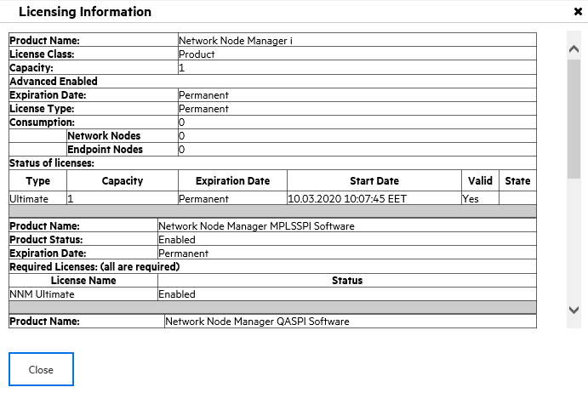 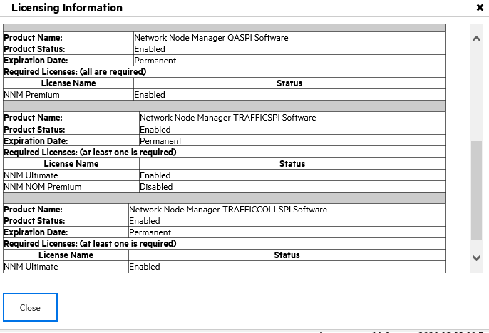 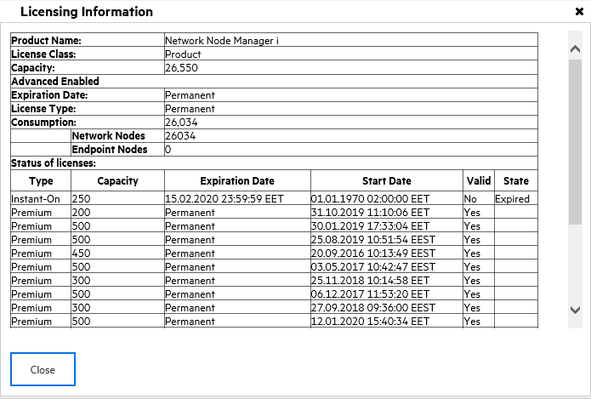 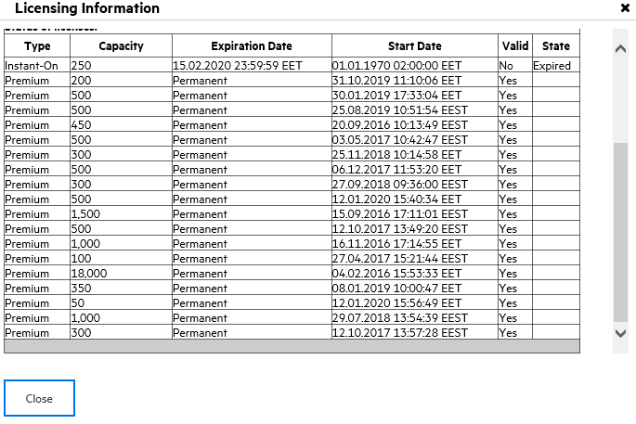 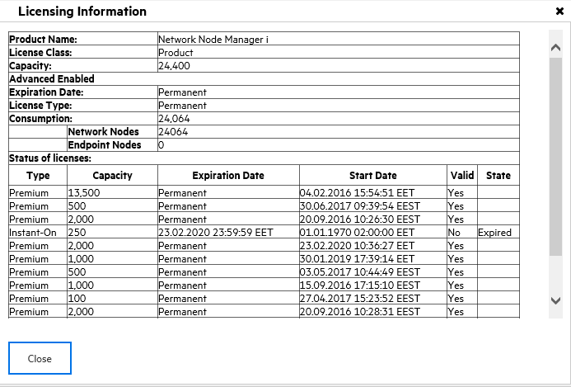 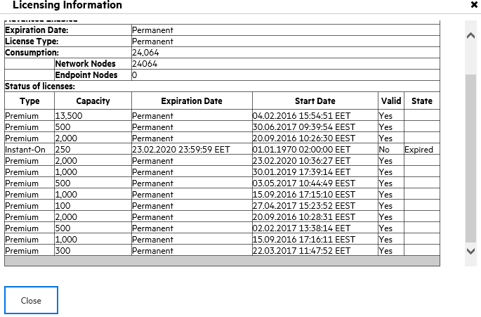 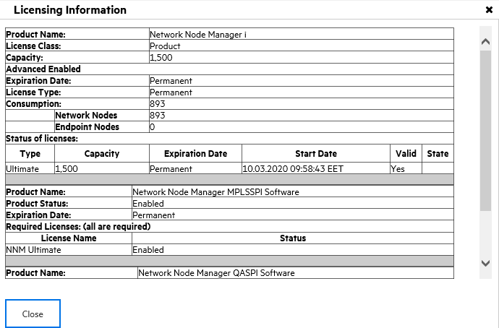 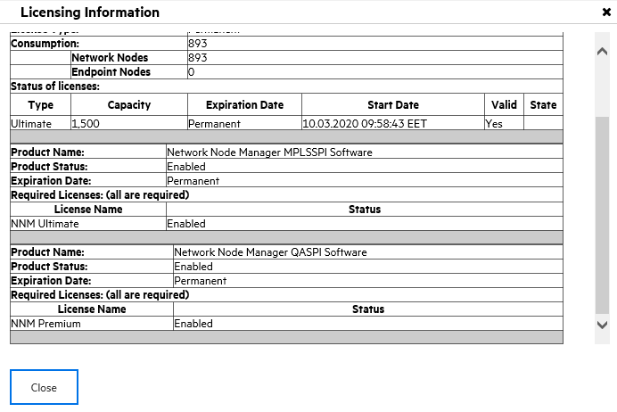

 | Node Report

 | Node Name | Environment Type | Description
 | 3750_Harmonic_OTT_3 | Production | Switch
 | 3750_Harmonic_OTT_4 | Production | Switch
 | 3750_Harmonic_OTT_5 | Production | Switch
 | 3750_Harmonic_OTT_6 | Production | Switch
 | 50OU_VasilLevski | Production | Switch
 | 6A_CEN_IN_CENT_AGG_SW1 | Production | Switch
 | 6k_cen_in_cent_agg_sw1 | Production | Switch
 | 7V_BOR_OH_BS33_AGG_SW1 | Production | Switch
 | 7V_CEN_OH_BS32_AGG_SW1 | Production | Switch
 | 7v_cen_in_cent_agg_sw1 | Production | Switch
 | 7v_int_oh_bs01_agg_sw1 | Production | Switch
 | 9ta_Frenska_Gimnaziya | Production | Switch
 | ABB-Bulgaria | Production | Switch
 | ABB_Bulgaria-s_Dabene | Production | Switch
 | ABB_MileniumCenter | Production | Switch
 | ADIS_VelikoTarnovo27 | Production | Switch
 | ADMaster | Production | Load Balancer
 | ADMaster_peer | Production | Load Balancer
 | AD_Penev | Production | Switch
 | AES-Geo | Production | Switch
 | AES_CherniVryh | Production | Switch
 | AG_CEN_IN_CENT_98_01_ACC_SW1 | Production | Switch
 | AG_CEN_IN_CENT_99_01_ACC_SW1 | Production | Switch
 | AH_CEN_IN_CENT_97_01_ACC_SW1 | Production | Switch
 | AITRent_DolniBogrov | Production | Switch
 | AKTIV-1414 | Production | Switch
 | ALS/Stemo-s | Production | Switch
 | AR2220E-Test | Production | Router
 | ASP-VelikoTarnovo | Production | Switch
 | ASP_Yablanitsa_ul | Production | Switch
 | ASR1K-DDoS-Test | Production | Router
 | ATE_Plast | Production | Switch
 | ATM-Center | Production | Switch
 | Adastra_ul | Production | Switch
 | AdvokatYordanova_Shipka3 | Production | Switch
 | AdvokatskoDruzhestvoStoychev | Production | Switch
 | Aessolar_and_Nabucco | Production | Switch
 | AgenPoVpisv-Bagryana20 | Production | Switch
 | AgenciaBezhanci_Banya | Production | Switch
 | AgenciaBezhanci_MLuiza114 | Production | Switch
 | AgenciaBezhanci_Montevideo | Production | Switch
 | AgenciaMitnici_Blagoevgrad | Production | Switch
 | AgenciaVpisvania_Dobrich | Production | Switch
 | AgenciaZaSocialnoPodpomagane_ASP | Production | Switch
 | Agencia_Po_Vpisvaniata-ul_Slavianska | Production | Switch
 | Agencia_po_zaetostta_Gurkovo | Production | Switch
 | Agencia_po_zaetostta_Madzharovo | Production | Switch
 | AgenciqPoVpisvaniqta | Production | Switch
 | Agromarket_s | Production | Switch
 | Aheloy-Center-AGG1 | Production | Switch
 | Aheloy_Centre_BS00039_ACR01 | Production | Switch
 | Ahi_Carrier_IskarskoShosse | Production | Switch
 | Ahtopol-BS3228-AGG1 | Production | Switch
 | Aida_RRS_HK00001_ACR01 | Production | Switch
 | Aida_RRS_KRD8655_RTS_RTR1 | Production | Switch
 | Aiko_Burgas | Production | Switch
 | Aiko_Evropa44 | Production | Switch
 | Aiko_OkolovrastenPat135 | Production | Switch
 | Aiko_SZ | Production | Switch
 | Aiko_Skopie6 | Production | Switch
 | Aksakovo-Center-AGG1 | Production | Switch
 | Albena-Center-AGG1 | Production | Switch
 | Albena-TV-Hotels | Production | Switch
 | Albena-VA4219-AGG1 | Production | Switch
 | Aliko_Zastr_Drujestvo | Production | Switch
 | Allianz | Production | Switch
 | AlorikaBulgaria | Production | Switch
 | AlphaZet_Haskovo | Production | Switch
 | Altavista | Production | Switch
 | AltestIGT | Production | Switch
 | Alucast_Pleven | Production | Switch
 | AmaksGaz_MramorskoShose | Production | Switch
 | Amer_Sport_ul_Chaia3 | Production | Switch
 | American-Spinal-Clinic | Production | Switch
 | Animex_VT | Production | Switch
 | Antalis-Sofia | Production | Switch
 | Antikoroza_Knezha | Production | Switch
 | Apriltsi-Center-AGG1 | Production | Switch
 | Apteka_Vitaniq_Dimitrovgrad | Production | Switch
 | Aquahim_TsvetanLazarov83 | Production | Switch
 | Archar-AGG1 | Production | Switch
 | Ardino_Centre_KR00001_ACR01 | Production | Switch
 | Ariston-C_Badevtsi | Production | Switch
 | Ariston-C_Ruse | Production | Switch
 | Arkus_Lyaskovec | Production | Switch
 | Aroma_ul_KirilBlagoev12 | Production | Switch
 | Arspeys | Production | Switch
 | AsarelMedet | Production | Switch
 | Asarel_Panagyurishte | Production | Switch
 | Asenovgrad-BB-Bulgaria68-AGG1 | Production | Switch
 | Asenovgrad-Center-AGG1 | Production | Switch
 | Asenovgrad-DolniVoden-AGG1 | Production | Switch
 | Asenovgrad-PD2256-AGG1 | Production | Switch
 | Asenovgrad-PD2307-AGG1 | Production | Switch
 | Asenovgrad-RSH1031-AGG1 | Production | Switch
 | Asenovgrad-SPE | Production | Router
 | Asenovgrad_SMO8665_RTS_RTR1 | Production | Switch
 | AssetBank-NC4306 | Production | Switch
 | Astelas_Pharma_EOOD | Production | Switch
 | Atlantik-AD | Production | Switch
 | Avanti-Aheloy | Production | Switch
 | AvonCosmetics_GaritagePark | Production | Switch
 | Aydemir-VN4748-AGG2 | Production | Switch
 | Aytos-Center-AGG1 | Production | Switch
 | Aytos-Center-AGG2 | Production | Switch
 | Aytos_Centre_BS00002_ACR01 | Production | Switch
 | BAN-Building-3 | Production | Switch
 | BAPM | Production | Switch
 | BAUMAX-bul_OkolovrastenPat | Production | Switch
 | BA_CEN_IN_CENT_97_01_ACC_SW1 | Production | Switch
 | BA_CEN_IN_CENT_98_01_ACC_SW1 | Production | Switch
 | BA_CEN_IN_CENT_99_01_ACC_SW1 | Production | Switch
 | BA_Glass-IvanGeorgiev1 | Production | Switch
 | BA_IVA_IN_CENT_AGG_SW1 | Production | Switch
 | BDZH-T_Prevozi-Administratsiya | Production | Switch
 | BDZH-T_Prevozi-Administratsiya_Ruse | Production | Switch
 | BDZH-T_Prevozi-Gara | Production | Switch
 | BDZH-T_Prevozi-GaraPavlov-Bs | Production | Switch
 | BDZH-T_Prevozi-Razpredelitelna_Ruse | Production | Switch
 | BGPost_GKremena | Production | Switch
 | BGPost_Oborishte24 | Production | Switch
 | BGSvobodenUniversitet | Production | Switch
 | BGSvobodnaMedia | Production | Switch
 | BG_CEN_IN_CENT_95_01_ACC_SW1 | Production | Switch
 | BG_CEN_IN_CENT_96_01_ACC_SW1 | Production | Switch
 | BG_CEN_IN_CENT_97_01_ACC_SW1 | Production | Switch
 | BG_CEN_IN_CENT_98_01_ACC_SW1 | Production | Switch
 | BG_CEN_IN_CENT_99_01_ACC_SW1 | Production | Switch
 | BILA_CenterMall | Production | Switch
 | BIZ_IZOT-sw1 | Production | Switch
 | BL_CEN_IN_CENT_01_04_ACC_SW1 | Production | Switch
 | BL_CEN_IN_CENT_01_04_ACC_SW1-1 | Production | Switch
 | BL_CEN_IN_CENT_79_01_ACC_SW1 | Production | Switch
 | BL_CEN_IN_CENT_80_01_ACC_SW1 | Production | Switch
 | BL_CEN_IN_CENT_81_01_ACC_SW1 | Production | Switch
 | BL_CEN_IN_CENT_82_01_ACC_SW1 | Production | Switch
 | BL_CEN_IN_CENT_83_01_ACC_SW1 | Production | Switch
 | BL_CEN_IN_CENT_84_01_ACC_SW1 | Production | Switch
 | BL_CEN_IN_CENT_85_01_ACC_SW1 | Production | Switch
 | BL_CEN_IN_CENT_85_01_ACC_SW1-1 | Production | Switch
 | BL_CEN_IN_CENT_86_01_ACC_SW1 | Production | Switch
 | BL_CEN_IN_CENT_86_01_ACC_SW1-1 | Production | Switch
 | BL_CEN_IN_CENT_86_01_ACC_SW1-2 | Production | Switch
 | BL_CEN_IN_CENT_87_01_ACC_SW1 | Production | Switch
 | BL_CEN_IN_CENT_89_01_ACC_SW1 | Production | Switch
 | BL_CEN_IN_CENT_89_01_ACC_SW1-1 | Production | Switch
 | BL_CEN_IN_CENT_90_01_ACC_SW1 | Production | Switch
 | BL_CEN_IN_CENT_91_01_ACC_SW1 | Production | Switch
 | BL_CEN_IN_CENT_92_01_ACC_SW1 | Production | Switch
 | BL_CEN_IN_CENT_92_01_ACC_SW1-1 | Production | Switch
 | BL_CEN_IN_CENT_93_01_ACC_SW1 | Production | Switch
 | BL_CEN_IN_CENT_94_01_ACC_SW1 | Production | Switch
 | BL_CEN_IN_CENT_94_01_ACC_SW1-1 | Production | Switch
 | BL_CEN_IN_CENT_95_01_ACC_SW1 | Production | Switch
 | BL_CEN_IN_CENT_96_01_ACC_SW1 | Production | Switch
 | BL_CEN_IN_CENT_98_01_ACC_SW1 | Production | Switch
 | BL_VEN_IN_CENT_01_01_ACC_SW1 | Production | Switch
 | BL_VEN_IN_CENT_01_01_ACC_SW1-1 | Production | Switch
 | BL_VEN_IN_CENT_01_02_ACC_SW1 | Production | Switch
 | BL_VEN_IN_CENT_01_03_ACC_SW1 | Production | Switch
 | BL_VEN_IN_CENT_99_01_ACC_SW1 | Production | Switch
 | BNR | Production | Switch
 | BNR-Varna | Production | Switch
 | BNR_Blagoevgrad | Production | Switch
 | BNR_NarodnoSybranie2 | Production | Switch
 | BNT-SanStefano29 | Production | Switch
 | BO_BAN_IN_CEN_00_01_ACC_SW1 | Production | Switch
 | BO_BAN_IN_CEN_00_01_ACC_SW1-1 | Production | Switch
 | BO_BAN_IN_CEN_01_01_ACC_SW1 | Production | Switch
 | BO_BAN_IN_CEN_01_01_ACC_SW1-1 | Production | Switch
 | BO_BAN_IN_CEN_02_01_ACC_SW1 | Production | Switch
 | BO_BAN_IN_CEN_03_01_ACC_SW1 | Production | Switch
 | BO_BAN_IN_CEN_03_01_ACC_SW1-1 | Production | Switch
 | BO_BAN_IN_CEN_03_01_ACC_SW1-2 | Production | Switch
 | BO_BAN_IN_CEN_04_01_ACC_SW1 | Production | Switch
 | BO_BAN_IN_CEN_04_01_ACC_SW1-1 | Production | Switch
 | BO_BAN_IN_CEN_06_01_ACC_SW1 | Production | Switch
 | BO_BAN_IN_CEN_06_02_ACC_SW1 | Production | Switch
 | BO_BAN_IN_CEN_08_01_ACC_SW1 | Production | Switch
 | BO_BAN_IN_CEN_09_01_ACC_SW1 | Production | Switch
 | BO_BAN_IN_CEN_10_01_ACC_SW1 | Production | Switch
 | BO_BAN_IN_CEN_11_01_ACC_SW1 | Production | Switch
 | BO_BAN_IN_CEN_12_01_ACC_SW1 | Production | Switch
 | BO_BAN_IN_CEN_12_01_ACC_SW1-1 | Production | Switch
 | BO_BAN_IN_CEN_12_01_ACC_SW1-2 | Production | Switch
 | BO_BAN_IN_CEN_13_01_ACC_SW1 | Production | Switch
 | BO_BAN_IN_CEN_14_01_ACC_SW1 | Production | Switch
 | BO_BAN_IN_CEN_15_01_ACC_SW1 | Production | Switch
 | BO_BAN_IN_CEN_16_01_ACC_SW1 | Production | Switch
 | BO_BAN_IN_CEN_17_01_ACC_SW1 | Production | Switch
 | BO_BAN_IN_CEN_19_01_ACC_SW1 | Production | Switch
 | BO_BAN_IN_CEN_22_01_ACC_SW1 | Production | Switch
 | BO_BAN_IN_CEN_23_01_ACC_SW1 | Production | Switch
 | BO_BAN_IN_CEN_24_01_ACC_SW1 | Production | Switch
 | BO_BAN_IN_CEN_25_01_ACC_SW1 | Production | Switch
 | BO_BAN_IN_CEN_26_01_ACC_SW1 | Production | Switch
 | BO_BAN_IN_CEN_AGG_SW2 | Production | Switch
 | BO_BAN_IN_CEN_AGG_SW3 | Production | Switch
 | BO_DOB_IN_CENT_99_01_ACC_SW1 | Production | Switch
 | BO_DOB_IN_CENT_AGG_SW1 | Production | Switch
 | BSP_Sofia | Production | Switch
 | BSlatina_Centre_VZ00001_ACR01 | Production | Switch
 | BTA_TsarigradskoShose | Production | Switch
 | BTA_TsarigradskoShose49 | Production | Switch
 | BTA_Vratsa | Production | Switch
 | BTC-Net_Mokren | Production | Switch
 | BTC-Net_s_Bezmer | Production | Switch
 | BTC_AD_magazin4431 | Production | Switch
 | BTC_Tsarigradski-Kompleks | Production | Switch
 | BTM_Delvino | Production | Switch
 | BULSAFIL | Production | Switch
 | BU_BRM_CEN_SAGG_3 | Production | Switch
 | BU_BRM_CEN_SAGG_4 | Production | Switch
 | BU_BRM_IN_0081_01_01_ACC_SW1 | Production | Switch
 | BU_BRM_IN_0081_01_01_ACC_SW1-1 | Production | Switch
 | BU_BRM_IN_0081_01_01_ACC_SW1-2 | Production | Switch
 | BU_BRM_IN_0081_01_02_ACC_SW1 | Production | Switch
 | BU_BRM_IN_0081_01_02_ACC_SW1-1 | Production | Switch
 | BU_BRM_IN_0081_01_02_ACC_SW1-2 | Production | Switch
 | BU_BRM_IN_0081_01_03_ACC_SW1 | Production | Switch
 | BU_BRM_IN_0081_01_03_ACC_SW1-1 | Production | Switch
 | BU_BRM_IN_0081_01_04_ACC_SW1 | Production | Switch
 | BU_BRM_IN_0081_01_05_ACC_SW1 | Production | Switch
 | BU_BRM_IN_0081_01_05_ACC_SW1-1 | Production | Switch
 | BU_BRM_IN_0081_01_06_ACC_SW1 | Production | Switch
 | BU_BRM_IN_0081_01_06_ACC_SW1-1 | Production | Switch
 | BU_BRM_IN_0081_02_07_ACC_SW1 | Production | Switch
 | BU_BRM_IN_0081_02_07_ACC_SW1-1 | Production | Switch
 | BU_BRM_IN_0081_02_08_ACC_SW1 | Production | Switch
 | BU_BRM_IN_0081_02_09_ACC_SW1 | Production | Switch
 | BU_BRM_IN_0081_02_09_ACC_SW1-1 | Production | Switch
 | BU_BRM_IN_0081_02_10_ACC_SW1 | Production | Switch
 | BU_BRM_IN_0081_02_10_ACC_SW1-1 | Production | Switch
 | BU_BRM_IN_0081_02_11_ACC_SW1 | Production | Switch
 | BU_BRM_IN_0081_02_13_ACC_SW1 | Production | Switch
 | BU_BRM_IN_0081_02_13_ACC_SW1-1 | Production | Switch
 | BU_BRM_IN_0081_02_14_ACC_SW1 | Production | Switch
 | BU_BRM_IN_0081_03_15_ACC_SW1 | Production | Switch
 | BU_BRM_IN_0081_03_16_ACC_SW1 | Production | Switch
 | BU_BRM_IN_0081_03_16_ACC_SW1-1 | Production | Switch
 | BU_BRM_IN_0081_03_17_ACC_SW1 | Production | Switch
 | BU_BRM_IN_0081_03_17_ACC_SW1-1 | Production | Switch
 | BU_BRM_IN_0081_03_18_ACC_SW1 | Production | Switch
 | BU_BRM_IN_0081_03_19_ACC_SW1 | Production | Switch
 | BU_BRM_IN_0081_03_20_ACC_SW1 | Production | Switch
 | BU_BRM_IN_0081_04_21_ACC_SW1 | Production | Switch
 | BU_BRM_IN_0081_04_22_ACC_SW1 | Production | Switch
 | BU_BRM_IN_0081_04_23_ACC_SW1 | Production | Switch
 | BU_BRM_IN_0081_04_24_ACC_SW1 | Production | Switch
 | BU_BRM_IN_0081_04_25_ACC_SW1 | Production | Switch
 | BU_BRM_IN_0081_04_26_ACC_SW1 | Production | Switch
 | BU_BRM_IN_0081_04_27_ACC_SW1 | Production | Switch
 | BU_BRM_IN_0081_04_28_ACC_SW1 | Production | Switch
 | BU_BRM_IN_0081_04_29_ACC_SW1 | Production | Switch
 | BU_BRM_IN_0081_04_55_ACC_SW1 | Production | Switch
 | BU_BRM_IN_0081_04_55_ACC_SW1-1 | Production | Switch
 | BU_BRM_IN_0081_05_30_ACC_SW1 | Production | Switch
 | BU_BRM_IN_0081_05_31_ACC_SW1 | Production | Switch
 | BU_BRM_IN_0081_05_31_ACC_SW1-1 | Production | Switch
 | BU_BRM_IN_0081_05_32_ACC_SW1 | Production | Switch
 | BU_BRM_IN_0081_05_33_ACC_SW1 | Production | Switch
 | BU_BRM_IN_0081_05_34_ACC_SW1 | Production | Switch
 | BU_BRM_IN_0081_05_35_ACC_SW1 | Production | Switch
 | BU_BRM_IN_0081_05_36_ACC_SW1 | Production | Switch
 | BU_BRM_IN_0081_05_36_ACC_SW1-1 | Production | Switch
 | BU_BRM_IN_0081_05_37_ACC_SW1 | Production | Switch
 | BU_BRM_IN_0081_05_38_ACC_SW1 | Production | Switch
 | BU_BRM_IN_0081_05_39_ACC_SW1 | Production | Switch
 | BU_BRM_IN_0081_05_56_ACC_SW1 | Production | Switch
 | BU_BRM_IN_0081_05_56_ACC_SW1-1 | Production | Switch
 | BU_BRM_IN_0081_05_58_ACC_SW1 | Production | Switch
 | BU_BRM_IN_0081_06_40_ACC_SW1 | Production | Switch
 | BU_BRM_IN_0081_06_40_ACC_SW1-1 | Production | Switch
 | BU_BRM_IN_0081_06_41_ACC_SW1 | Production | Switch
 | BU_BRM_IN_0081_06_41_ACC_SW1-1 | Production | Switch
 | BU_BRM_IN_0081_06_42_ACC_SW1 | Production | Switch
 | BU_BRM_IN_0081_06_42_ACC_SW1-1 | Production | Switch
 | BU_BRM_IN_0081_06_43_ACC_SW1 | Production | Switch
 | BU_BRM_IN_0081_06_43_ACC_SW1-1 | Production | Switch
 | BU_BRM_IN_0081_06_44_ACC_SW1 | Production | Switch
 | BU_BRM_IN_0081_06_45_ACC_SW1 | Production | Switch
 | BU_BRM_IN_0081_06_45_ACC_SW1-1 | Production | Switch
 | BU_BRM_IN_0081_06_46_ACC_SW1 | Production | Switch
 | BU_BRM_IN_0081_06_46_ACC_SW1-1 | Production | Switch
 | BU_BRM_IN_0081_07_47_ACC_SW1 | Production | Switch
 | BU_BRM_IN_0081_07_48_ACC_SW1 | Production | Switch
 | BU_BRM_IN_0081_07_48_ACC_SW1-1 | Production | Switch
 | BU_BRM_IN_0081_07_49_ACC_SW1 | Production | Switch
 | BU_BRM_IN_0081_07_49_ACC_SW1-1 | Production | Switch
 | BU_BRM_IN_0081_07_50_ACC_SW1 | Production | Switch
 | BU_BRM_IN_0081_07_51_ACC_SW1 | Production | Switch
 | BU_BRM_IN_0081_07_52_ACC_SW1 | Production | Switch
 | BU_BRM_IN_0081_07_52_ACC_SW1-1 | Production | Switch
 | BU_BRM_IN_0081_07_53_ACC_SW1 | Production | Switch
 | BU_BRM_IN_0081_07_53_ACC_SW1-1 | Production | Switch
 | BU_BRM_IN_0081_08_54_ACC_SW1 | Production | Switch
 | BU_BRM_IN_0081_21_01_ACC_SW1 | Production | Switch
 | BU_BRM_IN_0081_21_01_ACC_SW1-1 | Production | Switch
 | BU_BRM_IN_0081_21_02_ACC_SW1 | Production | Switch
 | BU_BRM_IN_0081_21_02_ACC_SW1-1 | Production | Switch
 | BU_BRM_IN_0081_21_03_ACC_SW1 | Production | Switch
 | BU_BRM_IN_0081_21_03_ACC_SW1-1 | Production | Switch
 | BU_BRM_IN_0081_21_04_ACC_SW1 | Production | Switch
 | BU_BRM_IN_0081_21_05_ACC_SW1 | Production | Switch
 | BU_BRM_IN_0081_21_05_ACC_SW1-1 | Production | Switch
 | BU_BRM_IN_0081_21_06_ACC_SW1 | Production | Switch
 | BU_BRM_IN_0081_21_07_ACC_SW1 | Production | Switch
 | BU_BRM_IN_0081_22_08_ACC_SW1 | Production | Switch
 | BU_BRM_IN_0081_22_09_ACC_SW1 | Production | Switch
 | BU_BRM_IN_0081_22_10_ACC_SW1 | Production | Switch
 | BU_BRM_IN_0081_22_11_ACC_SW1 | Production | Switch
 | BU_BRM_IN_0081_22_12_ACC_SW1 | Production | Switch
 | BU_BRM_IN_0081_22_12_ACC_SW1-1 | Production | Switch
 | BU_BRM_IN_0081_22_13_ACC_SW1 | Production | Switch
 | BU_BRM_IN_0081_22_14_ACC_SW1 | Production | Switch
 | BU_BRM_IN_0081_23_15_ACC_SW1 | Production | Switch
 | BU_BRM_IN_0081_23_15_ACC_SW1-1 | Production | Switch
 | BU_BRM_IN_0081_23_16_ACC_SW1 | Production | Switch
 | BU_BRM_IN_0081_23_17_ACC_SW1 | Production | Switch
 | BU_BRM_IN_0081_23_18_ACC_SW1 | Production | Switch
 | BU_BRM_IN_0081_23_19_ACC_SW1 | Production | Switch
 | BU_BRM_IN_0081_23_20_ACC_SW1 | Production | Switch
 | BU_BRM_IN_0081_23_21_ACC_SW1 | Production | Switch
 | BU_BRM_IN_0081_23_21_ACC_SW1-1 | Production | Switch
 | BU_BRM_IN_0081_23_22_ACC_SW1 | Production | Switch
 | BU_BRM_IN_0081_23_22_ACC_SW1-1 | Production | Switch
 | BU_BRM_IN_0081_23_23_ACC_SW1 | Production | Switch
 | BU_BRM_IN_0081_23_24_ACC_SW1 | Production | Switch
 | BU_BRM_IN_0081_23_24_ACC_SW1-1 | Production | Switch
 | BU_BRM_IN_0081_23_61_ACC_SW1 | Production | Switch
 | BU_BRM_IN_0081_23_61_ACC_SW1-1 | Production | Switch
 | BU_BRM_IN_0081_24_25_ACC_SW1 | Production | Switch
 | BU_BRM_IN_0081_24_25_ACC_SW1-1 | Production | Switch
 | BU_BRM_IN_0081_24_26_ACC_SW1 | Production | Switch
 | BU_BRM_IN_0081_24_26_ACC_SW1-1 | Production | Switch
 | BU_BRM_IN_0081_24_27_ACC_SW1 | Production | Switch
 | BU_BRM_IN_0081_24_27_ACC_SW1-1 | Production | Switch
 | BU_BRM_IN_0081_24_28_ACC_SW1 | Production | Switch
 | BU_BRM_IN_0081_24_28_ACC_SW1-1 | Production | Switch
 | BU_BRM_IN_0081_24_29_ACC_SW1 | Production | Switch
 | BU_BRM_IN_0081_24_29_ACC_SW1-1 | Production | Switch
 | BU_BRM_IN_0081_24_30_ACC_SW1 | Production | Switch
 | BU_BRM_IN_0081_24_30_ACC_SW1-1 | Production | Switch
 | BU_BRM_IN_0081_24_31_ACC_SW1 | Production | Switch
 | BU_BRM_IN_0081_24_31_ACC_SW1-1 | Production | Switch
 | BU_BRM_IN_0081_25_32_ACC_SW1 | Production | Switch
 | BU_BRM_IN_0081_25_32_ACC_SW1-1 | Production | Switch
 | BU_BRM_IN_0081_25_33_ACC_SW1 | Production | Switch
 | BU_BRM_IN_0081_25_33_ACC_SW1-1 | Production | Switch
 | BU_BRM_IN_0081_25_34_ACC_SW1 | Production | Switch
 | BU_BRM_IN_0081_25_34_ACC_SW1-1 | Production | Switch
 | BU_BRM_IN_0081_25_35_ACC_SW1 | Production | Switch
 | BU_BRM_IN_0081_25_35_ACC_SW1-1 | Production | Switch
 | BU_BRM_IN_0081_26_36_ACC_SW1 | Production | Switch
 | BU_BRM_IN_0081_26_37_ACC_SW1 | Production | Switch
 | BU_BRM_IN_0081_26_38_ACC_SW1 | Production | Switch
 | BU_BRM_IN_0081_26_39_ACC_SW1 | Production | Switch
 | BU_BRM_IN_0081_26_40_ACC_SW1 | Production | Switch
 | BU_BRM_IN_0081_26_41_ACC_SW1 | Production | Switch
 | BU_BRM_IN_0081_26_42_ACC_SW1 | Production | Switch
 | BU_BRM_IN_0081_26_43_ACC_SW1 | Production | Switch
 | BU_BRM_IN_0081_26_44_ACC_SW1 | Production | Switch
 | BU_BRM_IN_0081_26_45_ACC_SW1 | Production | Switch
 | BU_BRM_IN_0081_26_46_ACC_SW1 | Production | Switch
 | BU_BRM_IN_0081_26_47_ACC_SW1 | Production | Switch
 | BU_BRM_IN_0081_26_47_ACC_SW1-1 | Production | Switch
 | BU_BRM_IN_0081_27_48_ACC_SW1 | Production | Switch
 | BU_BRM_IN_0081_27_49_ACC_SW1 | Production | Switch
 | BU_BRM_IN_0081_27_50_ACC_SW1 | Production | Switch
 | BU_BRM_IN_0081_27_51_ACC_SW1 | Production | Switch
 | BU_BRM_IN_0081_27_52_ACC_SW1 | Production | Switch
 | BU_BRM_IN_0081_27_53_ACC_SW1 | Production | Switch
 | BU_BRM_IN_0081_27_54_ACC_SW1 | Production | Switch
 | BU_BRM_IN_0081_27_55_ACC_SW1 | Production | Switch
 | BU_BRM_IN_0081_27_56_ACC_SW1 | Production | Switch
 | BU_BRM_IN_0081_27_57_ACC_SW1 | Production | Switch
 | BU_BRM_IN_0081_27_58_ACC_SW1 | Production | Switch
 | BU_BRM_IN_0081_27_59_ACC_SW1 | Production | Switch
 | BU_BRM_IN_0081_27_59_ACC_SW1-1 | Production | Switch
 | BU_BRM_IN_0081_99_01_ACC_SW1 | Production | Switch
 | BU_BRM_IN_0081_99_02_ACC_SW1 | Production | Switch
 | BU_BRM_IN_0081_99_03_ACC_SW1 | Production | Switch
 | BU_BRM_IN_0081_99_04_ACC_SW1 | Production | Switch
 | BU_BRM_IN_0081_99_05_ACC_SW1 | Production | Switch
 | BU_BRM_IN_0081_99_07_ACC_SW1 | Production | Switch
 | BU_BRM_IN_0081_99_08_ACC_SW1 | Production | Switch
 | BU_BRM_IN_0081_99_09_ACC_SW1 | Production | Switch
 | BU_BRM_IN_0081_99_10_ACC_SW1 | Production | Switch
 | BU_BRM_IN_0081_99_11_ACC_SW1 | Production | Switch
 | BU_BRM_IN_0081_99_12_ACC_SW1 | Production | Switch
 | BU_BRM_IN_0081_99_12_ACC_SW1-1 | Production | Switch
 | BU_BRM_IN_0081_99_13_ACC_SW1 | Production | Switch
 | BU_BRM_IN_0081_99_14_ACC_SW1 | Production | Switch
 | BU_BRM_IN_0081_99_15_ACC_SW1 | Production | Switch
 | BU_BRM_IN_0081_99_15_ACC_SW1-2 | Production | Switch
 | BU_BRM_IN_0081_99_16_ACC_SW1 | Production | Switch
 | BU_BRM_IN_0081_99_17_ACC_SW1 | Production | Switch
 | BU_BRM_IN_0081_99_18_ACC_SW1 | Production | Switch
 | BU_BRM_IN_0081_99_19_ACC_SW1 | Production | Switch
 | BU_BRM_IN_0081_99_20_ACC_SW1 | Production | Switch
 | BU_BRM_IN_0081_99_21_ACC_SW1 | Production | Switch
 | BU_BRM_IN_0081_99_22_ACC_SW1 | Production | Switch
 | BU_BRM_IN_0081_99_22_ACC_SW1-1 | Production | Switch
 | BU_BRM_IN_0081_99_23_ACC_SW1 | Production | Switch
 | BU_BRM_IN_0081_99_24_ACC_SW1 | Production | Switch
 | BU_BRM_IN_0081_99_25_ACC_SW1 | Production | Switch
 | BU_BRM_IN_0081_99_26_ACC_SW1 | Production | Switch
 | BU_BRM_IN_0081_99_26_ACC_SW1-1 | Production | Switch
 | BU_BRM_IN_0081_99_27_ACC_SW1 | Production | Switch
 | BU_BRM_IN_0081_99_28_ACC_SW1 | Production | Switch
 | BU_BRM_IN_0081_99_29_ACC_SW1 | Production | Switch
 | BU_BRM_IN_0081_99_30_ACC_SW1 | Production | Switch
 | BU_BRM_IN_0081_99_30_ACC_SW1-1 | Production | Switch
 | BU_BRM_OF_1201_01_01_ACC_SW1 | Production | Switch
 | BU_BRM_OF_1201_01_02_ACC_SW1 | Production | Switch
 | BU_BRM_OF_1201_01_02_ACC_SW1-1 | Production | Switch
 | BU_BRM_OF_1201_01_03_ACC_SW1 | Production | Switch
 | BU_BRM_OF_1201_01_03_ACC_SW1-1 | Production | Switch
 | BU_BRM_OF_1201_01_04_ACC_SW1 | Production | Switch
 | BU_BRM_OF_1201_01_05_ACC_SW1 | Production | Switch
 | BU_BRM_OF_1201_01_05_ACC_SW1-1 | Production | Switch
 | BU_BRM_OF_1201_01_06_ACC_SW1 | Production | Switch
 | BU_BRM_OF_1201_01_06_ACC_SW1-1 | Production | Switch
 | BU_BRM_OF_1201_01_07_ACC_SW1 | Production | Switch
 | BU_BRM_OF_1201_01_07_ACC_SW1-1 | Production | Switch
 | BU_BRM_OF_1201_01_08_ACC_SW1 | Production | Switch
 | BU_BRM_OF_1201_01_09_ACC_SW1 | Production | Switch
 | BU_BRM_OF_1201_01_09_ACC_SW1-1 | Production | Switch
 | BU_BRM_OF_1201_01_10_ACC_SW1 | Production | Switch
 | BU_BRM_OF_1201_01_10_ACC_SW1-1 | Production | Switch
 | BU_BRM_OF_1201_01_11_ACC_SW1 | Production | Switch
 | BU_BRM_OF_1201_01_11_ACC_SW1-1 | Production | Switch
 | BU_BRM_OF_1201_01_12_ACC_SW1 | Production | Switch
 | BU_BRM_OF_1201_01_12_ACC_SW1-1 | Production | Switch
 | BU_BRM_OF_1201_02_13_ACC_SW1 | Production | Switch
 | BU_BRM_OF_1201_02_13_ACC_SW1-1 | Production | Switch
 | BU_BRM_OF_1201_02_14_ACC_SW1 | Production | Switch
 | BU_BRM_OF_1201_02_15_ACC_SW1 | Production | Switch
 | BU_BRM_OF_1201_02_15_ACC_SW1-1 | Production | Switch
 | BU_BRM_OF_1201_02_16_ACC_SW1 | Production | Switch
 | BU_BRM_OF_1201_02_16_ACC_SW1-1 | Production | Switch
 | BU_BRM_OF_1201_02_17_ACC_SW1 | Production | Switch
 | BU_BRM_OF_1201_02_18_ACC_SW1 | Production | Switch
 | BU_BRM_OF_1201_03_19_ACC_SW1 | Production | Switch
 | BU_BRM_OF_1201_03_20_ACC_SW1 | Production | Switch
 | BU_BRM_OF_1201_03_22_ACC_SW1 | Production | Switch
 | BU_BRM_OF_1201_03_23_ACC_SW1 | Production | Switch
 | BU_BRM_OF_1201_03_24_ACC_SW1 | Production | Switch
 | BU_BRM_OF_1201_03_25_ACC_SW1 | Production | Switch
 | BU_BRM_OF_1201_03_26_ACC_SW1 | Production | Switch
 | BU_BRM_OF_1201_03_27_ACC_SW1 | Production | Switch
 | BU_BRM_OF_1201_03_27_ACC_SW1-1 | Production | Switch
 | BU_BRM_OF_1201_03_28_ACC_SW1 | Production | Switch
 | BU_BRM_OF_1201_04_29_ACC_SW1 | Production | Switch
 | BU_BRM_OF_1201_04_30_ACC_SW1 | Production | Switch
 | BU_BRM_OF_1201_04_31_ACC_SW1 | Production | Switch
 | BU_BRM_OF_1201_04_32_ACC_SW1 | Production | Switch
 | BU_BRM_OF_1201_05_33_ACC_SW1 | Production | Switch
 | BU_BRM_OF_1201_05_34_ACC_SW1 | Production | Switch
 | BU_BRM_OF_1201_05_35_ACC_SW1 | Production | Switch
 | BU_BRM_OF_1201_05_38_ACC_SW1 | Production | Switch
 | BU_BRM_OF_1201_05_39_ACC_SW1 | Production | Switch
 | BU_BRM_OF_1201_06_40_ACC_SW1 | Production | Switch
 | BU_BRM_OF_1201_06_41_ACC_SW1 | Production | Switch
 | BU_BRM_OF_1201_06_42_ACC_SW1 | Production | Switch
 | BU_BRM_OF_1201_06_43_ACC_SW1 | Production | Switch
 | BU_BRM_OF_1201_06_44_ACC_SW1 | Production | Switch
 | BU_BRM_OF_1201_06_45_ACC_SW1 | Production | Switch
 | BU_BRM_OF_1201_07_46_ACC_SW1 | Production | Switch
 | BU_BRM_OF_1201_07_46_ACC_SW1-1 | Production | Switch
 | BU_BRM_OF_1201_07_47_ACC_SW1 | Production | Switch
 | BU_BRM_OF_1201_07_47_ACC_SW1-1 | Production | Switch
 | BU_BRM_OF_1201_07_48_ACC_SW1 | Production | Switch
 | BU_BRM_OF_1201_07_49_ACC_SW1 | Production | Switch
 | BU_BRM_OF_1201_07_50_ACC_SW1 | Production | Switch
 | BU_BRM_OF_1201_07_51_ACC_SW1 | Production | Switch
 | BU_BRM_OF_1201_07_52_ACC_SW1 | Production | Switch
 | BU_BRM_OF_1201_07_52_ACC_SW1-1 | Production | Switch
 | BU_BRM_OF_1201_07_53_ACC_SW1 | Production | Switch
 | BU_BRM_OF_1201_07_54_ACC_SW1 | Production | Switch
 | BU_BRM_OF_1201_07_54_ACC_SW1-1 | Production | Switch
 | BU_BRM_OF_1201_07_55_ACC_SW1 | Production | Switch
 | BU_BRM_OF_1201_07_55_ACC_SW1-1 | Production | Switch
 | BU_BRM_OF_1201_07_56_ACC_SW1 | Production | Switch
 | BU_BRM_OF_1201_07_56_ACC_SW1-1 | Production | Switch
 | BU_BRM_OF_1201_08_57_ACC_SW1 | Production | Switch
 | BU_BRM_OF_1201_08_58_ACC_SW1 | Production | Switch
 | BU_BRM_OF_1201_08_58_ACC_SW1-1 | Production | Switch
 | BU_BRM_OF_1201_08_60_ACC_SW1 | Production | Switch
 | BU_BRM_OF_1201_08_61_ACC_SW1 | Production | Switch
 | BU_BRM_OF_1201_08_62_ACC_SW1 | Production | Switch
 | BU_BRM_OF_1201_08_63_ACC_SW1 | Production | Switch
 | BU_BRM_OF_1201_08_64_ACC_SW1 | Production | Switch
 | BU_BRM_OF_1202_01_01_ACC_SW1 | Production | Switch
 | BU_BRM_OF_1202_01_01_ACC_SW1-1 | Production | Switch
 | BU_BRM_OF_1202_01_02_ACC_SW1 | Production | Switch
 | BU_BRM_OF_1202_01_03_ACC_SW1 | Production | Switch
 | BU_BRM_OF_1202_01_03_ACC_SW1-1 | Production | Switch
 | BU_BRM_OF_1202_01_04_ACC_SW1 | Production | Switch
 | BU_BRM_OF_1202_01_05_ACC_SW1 | Production | Switch
 | BU_BRM_OF_1202_01_05_ACC_SW1-1 | Production | Switch
 | BU_BRM_OF_1202_01_06_ACC_SW1 | Production | Switch
 | BU_BRM_OF_1202_02_07_ACC_SW1 | Production | Switch
 | BU_BRM_OF_1202_02_08_ACC_SW1 | Production | Switch
 | BU_BRM_OF_1202_02_09_ACC_SW1 | Production | Switch
 | BU_BRM_OF_1202_02_10_ACC_SW1 | Production | Switch
 | BU_BRM_OF_1202_02_11_ACC_SW1 | Production | Switch
 | BU_BRM_OF_1202_02_11_ACC_SW1-1 | Production | Switch
 | BU_BRM_OF_1202_03_12_ACC_SW1 | Production | Switch
 | BU_BRM_OF_1202_03_12_ACC_SW1-1 | Production | Switch
 | BU_BRM_OF_1202_03_13_ACC_SW1 | Production | Switch
 | BU_BRM_OF_1202_03_13_ACC_SW1-1 | Production | Switch
 | BU_BRM_OF_1202_03_14_ACC_SW1 | Production | Switch
 | BU_BRM_OF_1202_03_15_ACC_SW1 | Production | Switch
 | BU_BRM_OF_1202_03_16_ACC_SW1 | Production | Switch
 | BU_BRM_OF_1202_03_17_ACC_SW1 | Production | Switch
 | BU_BRM_OF_1202_03_17_ACC_SW1-1 | Production | Switch
 | BU_BRM_OF_1202_03_18_ACC_SW1 | Production | Switch
 | BU_BRM_OF_1202_03_18_ACC_SW1-1 | Production | Switch
 | BU_BRM_OF_1202_03_19_ACC_SW1 | Production | Switch
 | BU_BRM_OF_1202_03_20_ACC_SW1 | Production | Switch
 | BU_BRM_OF_1202_03_21_ACC_SW1 | Production | Switch
 | BU_BRM_OF_1202_03_21_ACC_SW1-1 | Production | Switch
 | BU_BRM_OF_1202_03_22_ACC_SW1 | Production | Switch
 | BU_BRM_OF_1202_03_22_ACC_SW1-1 | Production | Switch
 | BU_BRM_OF_1202_04_23_ACC_SW1 | Production | Switch
 | BU_BRM_OF_1202_04_24_ACC_SW1 | Production | Switch
 | BU_BRM_OF_1202_04_25_ACC_SW1 | Production | Switch
 | BU_BRM_OF_1202_04_26_ACC_SW1 | Production | Switch
 | BU_BRM_OF_1202_05_28_ACC_SW1 | Production | Switch
 | BU_BRM_OF_1202_05_28_ACC_SW1-1 | Production | Switch
 | BU_BRM_OF_1202_05_29_ACC_SW1 | Production | Switch
 | BU_BRM_OF_1202_05_29_ACC_SW1-1 | Production | Switch
 | BU_BRM_OF_1202_05_30_ACC_SW1 | Production | Switch
 | BU_BRM_OF_1202_05_31_ACC_SW1 | Production | Switch
 | BU_BRM_OF_1202_05_32_ACC_SW1 | Production | Switch
 | BU_BRM_OF_1202_05_33_ACC_SW1 | Production | Switch
 | BU_BRM_OF_1202_05_34_ACC_SW1 | Production | Switch
 | BU_BRM_OF_1202_05_35_ACC_SW1 | Production | Switch
 | BU_BRM_OF_1202_05_36_ACC_SW1 | Production | Switch
 | BU_BRM_OF_1202_05_48_ACC_SW1 | Production | Switch
 | BU_BRM_OF_1202_05_49_ACC_SW1 | Production | Switch
 | BU_BRM_OF_1202_06_37_ACC_SW1 | Production | Switch
 | BU_BRM_OF_1202_06_38_ACC_SW1 | Production | Switch
 | BU_BRM_OF_1202_06_39_ACC_SW1 | Production | Switch
 | BU_BRM_OF_1202_06_40_ACC_SW1 | Production | Switch
 | BU_BRM_OF_1202_06_41_ACC_SW1 | Production | Switch
 | BU_BRM_OF_1202_06_42_ACC_SW1 | Production | Switch
 | BU_BRM_OF_1202_06_43_ACC_SW1 | Production | Switch
 | BU_BRM_OF_1202_06_43_ACC_SW1-1 | Production | Switch
 | BU_BRM_OF_1202_07_27_ACC_SW1 | Production | Switch
 | BU_BRM_OF_1202_07_27_ACC_SW1-1 | Production | Switch
 | BU_BRM_OF_1202_07_44_ACC_SW1 | Production | Switch
 | BU_BRM_OF_1202_07_45_ACC_SW1 | Production | Switch
 | BU_BRM_OF_1202_07_46_ACC_SW1 | Production | Switch
 | BU_BRM_OF_1202_07_47_ACC_SW1 | Production | Switch
 | BU_BRM_SB_3001_01_01_ACC_SW1 | Production | Switch
 | BU_BRM_SB_3001_01_01_ACC_SW1-1 | Production | Switch
 | BU_BRM_SB_3001_01_02_ACC_SW1 | Production | Switch
 | BU_BRM_SB_3001_01_03_ACC_SW1 | Production | Switch
 | BU_BRM_SB_3001_01_04_ACC_SW1 | Production | Switch
 | BU_BRM_SB_3001_01_04_ACC_SW1-1 | Production | Switch
 | BU_BRM_SB_3001_01_05_ACC_SW1 | Production | Switch
 | BU_BRM_SB_3001_01_06_ACC_SW1 | Production | Switch
 | BU_BRM_SB_3001_01_06_ACC_SW1-1 | Production | Switch
 | BU_BRM_SB_3001_01_06_ACC_SW1-2 | Production | Switch
 | BU_BRM_SB_3001_01_07_ACC_SW1 | Production | Switch
 | BU_BRM_SB_3001_01_08_ACC_SW1 | Production | Switch
 | BU_BRM_SB_3001_01_08_ACC_SW1-1 | Production | Switch
 | BU_BRM_SB_3001_01_66_ACC_SW1 | Production | Switch
...

